Resultater
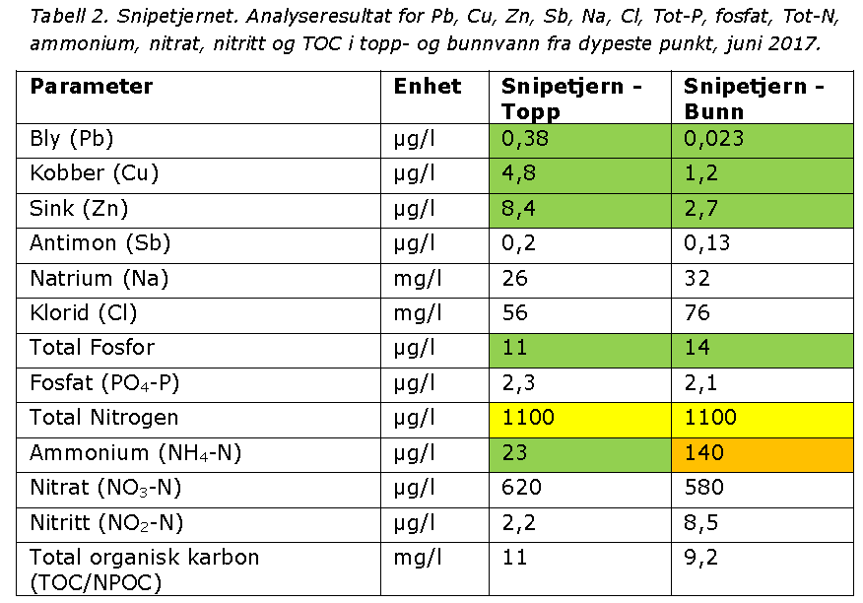
 |  |  |  |  |  |  | Vanntype: 8 - moderat kalkrik, humøs | S.82 | Parameter | Grenseverdi utslipp
FØR OPPSTART ANLEGGSARBEIDER: |  |  |  |  |  |  |  |  | Suspendert stoff (mg/l) | 100
Parameter | Enhet | 2017-10-24 | 2017-10-24 | 2018-03-07 | 2018-03-07 |  |  |  | pH | 6 – 8,5
 |  | Taraldrud Oppstrøms | Taraldrud Nedtrøms | Taraldrud oppstrøms | Taraldrud nedstrøms |  |  |  | Olje (THC) (mg/l) | 10
Arsen (As) | µg/l | 0.37 | 0.38 | 0.22 | 0.22
Bly (Pb) | µg/l | 0.46 | 0.49 | 0.069 | 0.1
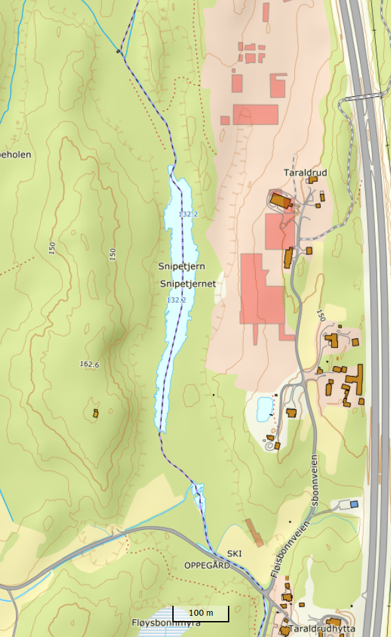
Taraldrud oppstrøms/ PNB OPP
Taraldrud nedstrøms/ PNB NED
PNB SNI S
PNB SNI N
Kadmium (Cd) | µg/l | 0.019 | 0.016 | 0.017 | 0.014
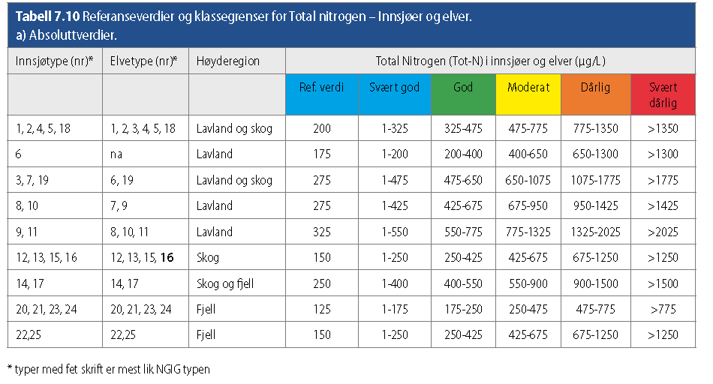
Kobber (Cu) | µg/l | 2 | 2.3 | 1.1 | 1.2
Krom (Cr) | µg/l | 0.74 | 1.2 | 0.24 | 0.24
Kvikksølv (Hg) | µg/l | 0.004 | 0.004 | <0,002 | <0,002
Nikkel (Ni) | µg/l | 1.5 | 1.7 | 0.97 | 0.82
Sink (Zn) | µg/l | 7.1 | 4.6 | 3.4 | 4
pH |  | 7.1 | 7.1 | 6.9 | 7.6
Konduktivitet | mS/m | 12.7 | 18.6 | 44.3 | 44.6
Klorid (Cl) | mg/l | 11 | 19 | 100 | 84
Natrium (Na) | mg/l | 10 | 15
Total Fosfor | µg/l | 17 | 35 | 13 | 17
Total Nitrogen | µg/l | 800 | 980 | 840 | 950
Ammonium (NH4-N) | µg/l | 13 | 25 | 35 | 77
Total organisk karbon (TOC/NPOC) | mg/l | 14 | 14 | 8.4 | 7.1
Totalt reaktivt fosfor (TRP) | µg/l | 5 | 8
Kalsium (Ca) | mg/l | 15 | 20

UNDER ANLEGGSARBEID: | Parameter | pH målt ved 23 +/- 2°C | Suspendert stoff | Total Nitrogen | Ammonium (NH4-N) | Kommentar
2018-03-22 | Enhet |  | mg/l | µg/l | µg/l
 | PNB SNI S |  |  | 1100 | 130
 | PNB SNI N |  |  | 1000 | <100
 | PNB OPP |  |  | 1100 | <100
 | PNB NED |  |  | 830 | <100
2018-04-06 | PNB SNI S | 6.9 | 11 | 2900 | 200
 | PNB SNI N | 7.1 | < 2 | 2300 | 340
 | PNB NED | 7 | 16 | 1600 | 150
2018-04-12 | PNB SNI S | 6.9 | 5.3 | 2600 | 210
 | PNB SNI N | 7.1 | 16 | 1200 | 290
 | PNB NED | 7 | 5.2 | 1500 | 63
2018-04-20 | PNB NED | 7.1 | 5.9 | 1300 | 49 | Usikker is. Ingen prøve ved de andre stasjonene.
2018-04-26 | PNB OPP | 7.5 | 4.9 | 970 | 30
 | PNB SNI S | 6.5 | 8.5 | 530 | 31
 | PNB SNI N | 6.4 | 5.3 | 360 | 5.6
 | PNB NED | 7.2 | 6.6 | 1000 | 38
2018-05-04 | PNB OPP | 7.4 | < 2 | 1000 | 67
 | PNB SNI S | 7.1 | - | 980 | 58 | Mulig målefeil for SS??
 | PNB SNI N | 7.2 | 6.2 | 950 | 52
PNB Bekk
 | PNB NED | 7 | 4.1 | 1400 | 45
2018-05-11 | PNB OPP | 7.4 | 3.9 | 990 | 49
 | PNB SNI S | 7.3 | 5.7 | 1200 | 41
 | PNB SNI N | 7.3 | 6.7 | 1100 | 39
 | PNB NED | 7 | 10 | 1400 | 5.3
2018-05-16 | PNB OPP | 7.7 | 4.6 | 970 | 51
 | PNB SNI S | 7.4 | 4.5 | 1200 | 16
 | PNB SNI N | 7.4 | 5 | 1400 | 32
 | PNB NED | 7.1 | 8.6 | 1100 | 31
2016-05-25 | PNB OPP | 7.7 | < 2 | 1000 | 70
 | PNB SNI S | 7.7 | 44 | 1400 | 18
 | PNB SNI N | 7.6 | 4.8 | 1400 | 28
Tot-N (ug/l)
 | PNB NED |  | PNB OPP |  | PNB SNI S |  | PNB SNI N |  | PNB Bekk
3/22/2018 | 830 | 3/22/2018 | 1100 | 3/22/2018 | 1100 | 3/22/2018 | 1000 | 11/1/2018 | 2600
4/6/2018 | 1600 | 4/26/2018 | 970 | 4/6/2018 | 2900 | 4/6/2018 | 2300 | 11/13/2018 | 1600
4/12/2018 | 1500 | 5/4/2018 | 1000 | 4/12/2018 | 2600 | 4/12/2018 | 1200 | 12/3/2018 | 2100
4/20/2018 | 1300 | 5/11/2018 | 990 | 4/26/2018 | 530 | 4/26/2018 | 360 | 1/10/2019 | 2400
4/26/2018 | 1000 | 5/16/2018 | 970 | 5/4/2018 | 980 | 5/4/2018 | 950 | 3/13/2019 | 5300
5/4/2018 | 1400 | 5/25/2018 | 1000 | 5/11/2018 | 1200 | 5/11/2018 | 1100 | 3/28/2019 | 1600
5/11/2018 | 1400 | 5/31/2018 | 1100 | 5/16/2018 | 1200 | 5/16/2018 | 1400 | 4/12/2019 | 1100
5/16/2018 | 1000 | 6/7/2018 | 790 | 5/25/2018 | 1400 | 5/25/2018 | 1400 | 4/24/2019 | 860
5/25/2018 | 1100 | 6/12/2018 | 1200 | 5/31/2018 | 1400 | 5/31/2018 | 1400 | 5/16/2019 | 2100
5/31/2018 | 960 | 6/20/2018 | 1000 | 6/7/2018 | 1300 | 6/7/2018 | 1200 | 8/28/2019 | 1000
6/7/2018 | 840 | 7/11/2018 | 3400 | 6/12/2018 | 1100 | 6/12/2018 |  | 12/5/2019 | 800
6/12/2018 | 1700 | 8/10/2018 | 1000 | 6/20/2018 | 2700 | 6/20/2018 | 2200
6/20/2018 | 2400 | 9/10/2018 | 2100 | 7/11/2018 | 2800 | 7/11/2018 | 2700
7/11/2018 | 2700 | 9/25/2018 | 830 | 8/10/2018 | 1900 | 8/10/2018 | 1900
8/10/2018 | 4500 | 10/16/2018 | 730 | 9/10/2018 | 2600 | 9/10/2018 | 2500
9/10/2018 | 7200 | 11/1/2018 | 1500 | 9/25/2018 | 4900 | 9/25/2018 | 4800
9/25/2018 | 4400 | 11/13/2018 | 1100 |  |  | 10/16/2018 | 4200
10/16/2018 | 3100 | 12/3/2018 | 1200 |  |  | 11/1/2018 | 1900
11/1/2018 | 3900 | 1/10/2019 | 790 |  |  | 11/13/2018 | 1300
11/13/2018 | 3400 | 3/28/2019 | 890 |  |  | 12/3/2018 | 1100
12/3/2018 | 2800 | 4/12/2019 | 780 |  |  | 1/10/2019 | 1200
1/10/2019 | 2600 | 4/24/2019 | 910 |  |  | 3/28/2019 | 4300
3/13/2019 | 2600 | 5/16/2019 | 960 |  |  | 4/12/2019 | 390
3/28/2019 | 2600 | 8/2/2019 | 730 |  |  | 4/24/2019 | 1100
4/12/2019 | 1700 | 8/28/2019 | 810 |  |  | 5/16/2019 | 2800
4/24/2019 | 1400 | 9/27/2019 | 680 |  |  | 8/2/2019 | 2200
5/16/2019 | 3100 | 12/5/2019 | 800 |  |  | 8/28/2019 | 2100
8/2/2019 | 1300 |  |  |  |  | 9/27/2019 | 2000
8/28/2019 | 1800 |  |  |  |  | 12/5/2019 | 1200
9/27/2019 | 1400
12/5/2019 | 1500
 | PNB NED | 7.1 | 11 | 1000 | 64
2018-05-31 | PNB OPP | 8 | 5.6 | 1100 | 97
 | PNB SNI S | 7.7 | 2.6 | 1400 | 25
 | PNB SNI N | 7.7 | 2.8 | 1400 | 24
 | PNB NED | 7.4 | 3.5 | 960 | 69
2018-06-07 | PNB OPP | 7.9 | < 2 | 790 | 60
 | PNB SNI S | 7.6 | 2.8 | 1300 | 29
 | PNB SNI N | 7.5 | < 2 | 1200 | 26
 | PNB NED | 7.3 | < 2 | 840 | 70
2018-06-12 | PNB OPP | 7.7 | 3.6 | 1200 | 81
 | PNB SNI S | 7.4 | 2.8 | 1100 | 24
 | PNB SNI N
 | PNB NED | 7.1 | 6.2 | 1700 | 65
2018-06-20 | PNB OPP | 7.9 | < 2 | 1000 | 32
 | PNB SNI S | 7.4 | 8.1 | 2700 | 120
 | PNB SNI N | 7.5 | < 2 | 2200 | 66
 | PNB NED | 7.3 | 3.2 | 2400 | 96
2018-07-11 | PNB OPP | 7.5 | 16 | 3400 | 360
 | PNB SNI S | 7.7 | < 2 | 2800 | 33
 | PNB SNI N | 7.7 | < 2 | 2700 | 21
 | PNB NED | 7.3 | 3.1 | 2700 | 150
2018-08-10 | PNB OPP | 7.7 | 16 | 1000 | 68
 | PNB SNI S | 7.8 | < 2 | 1900 | 21
 | PNB SNI N | 7.8 | 2.1 | 1900 | 20
 | PNB NED | 7.3 | 9.2 | 4500 | 120
2018-09-10 | PNB OPP | 7.1 | 37 | 2100 | 16
 | PNB SNI S | 7.6 | 2.8 | 2600 | 81
 | PNB SNI N | 7.6 | 2.4 | 2500 | 28
 | PNB NED | 7.1 | 34 | 7200 | 110
2018-09-25 | PNB OPP | 7.9 |  | 830 | 20 | Feil på lab, ingen analyse for suspendert stoff
 | PNB SNI S | 7.3 | 5.2 | 4900 | 180
 | PNB SNI N | 7.5 | 3.7 | 4800 | 160
 | PNB NED | 7.1 | 3.5 | 4400 | 100
2018-10-16 | PNB OPP | 7.6 | 9 | 730 | <5
 | PNB SNI N | 7.5 | 5.5 | 4200 | 130
 | PNB NED | 7 | 3.1 | 3100 | 60
2018-11-01 | PNB OPP | 7.4 | 5.3 | 1500 | 5.9
 | PNB SNI N | 7.3 | 8.9 | 1900 | 5.5
 | PNB NED | 7.6 | 6 | 3900 | 100
 | PNB Bekk | 7.1 | 12 | 2600 | 15
2018-11-13 | PNB OPP | 7.5 | 5.2 | 1100 | 41
 | PNB SNI N | 7.1 | 6.9 | 1300 | 25
 | PNB NED | 7.2 | 14 | 3400 | 100
 | PNB Bekk | 6.9 | 38 | 1600 | 53
2018-12-03 | PNB OPP | 6.9 | 10 | 1200 | 18
 | PNB SNI N | 6.9 | 3 | 1100 | 60
 | PNB NED | 7 | 34 | 2800 | 61
 | PNB Bekk | 6.8 | 35 | 2100 | 69
2019-01-10 | PNB OPP | 7.3 | 3.9 | 790 | 56
 | PNB SNI N | 6.9 | < 2 | 1200 | 47
 | PNB NED | 7 | 2.7 | 2600 | 100
 | PNB Bekk | 7.3 | 4.6 | 2400 | 200
2019-03-13 | PNB OPP |  |  |  |  | Ikke mulig å prøveta pga utrygg is
 | PNB SNI N |  |  |  |  | Ikke mulig å prøveta pga utrygg is
 | PNB NED | 6.9 | 11 | 2600 | 170
 | PNB Bekk | 7.3 | 5600 | 5300 | 180
2019-03-28 | PNB OPP | 7.4 | 13 | 890 | 30
 | PNB SNI N | 6 | 20 | 4300 | 1300
 | PNB NED | 7.1 | 33 | 2600 | 280
 | PNB Bekk | 7 | 11 | 1600 | 68
 | VA-grøft Fløysbonnveien | 7 | 26 | 2300 | 250
2019-04-12 | PNB OPP | 7.6 | < 2 | 780 | 29
 | PNB SNI N | 6.7 | < 2 | 390 | 76
 | PNB NED | 7.2 | 13 | 1700 | 140
 | PNB Bekk | 7.3 | 14 | 1100 | 38
 | VA-grøft Fløysbonnveien | 7.2 | < 2 | 1500 | 140
2019-04-24 | PNB OPP | 7.5 | 11 | 910 | <0,1
 | PNB SNI N | 7.1 | 3.7 | 1100 | <0,1
 | PNB NED | 7.1 | 2.5 | 1400 | 0.12
 | PNB Bekk | 7.4 | 10 | 860 | <0,1
2019-05-16 | PNB OPP | 7.9 | 4.1 | 960 | 51
 | PNB SNI N | 7.4 | 5.1 | 2800 | 63
 | PNB NED | 7.2 | 7.9 | 3100 | 70
 | PNB Bekk | 7.5 | 6.4 | 2100 | 53
2019-08-02 | PNB OPP | 8.1 | < 2 | 730 | 34
 | PNB SNI N | 7.6 | < 2 | 2200 | 13
 | PNB NED | 7.3 | < 2 | 1300 | 45
2019-08-28 | PNB OPP | 8,1 | 2,7 | 810 | 26
 | PNB SNI N | 7,8 | < 2 | 2100 | <5
 | PNB NED | 7,4 | < 2 | 1800 | 43
 | PNB Bekk | 7,6 | 90 | 1000 | 22
2019-09-27 | PNB OPP | 7,7 | 24 | 680 | 8,7
 | PNB SNI N | 7,4 | < 2 | 2000 | 24
 | PNB NED | 7,3 | 67 | 1400 | 61
2019-12-05 | PNB OPP | 7,5 | 9,0 | 800 | 38
 | PNB SNI N | 6,7 | 2,9 | 1200 | 36
 | PNB NED | 7,1 | 6,2 | 1500 | 68
 | PNB Bekk | 7,0 | 17 | 800 | 23

2018-03-22
2018-04-06
2018-04-12
2018-04-20
2018-04-26
2018-05-04
2018-05-11
2018-05-16
2018-05-25
2018-05-31
2018-06-07
2018-06-12
2018-06-20
2018-07-11
2018-08-10
2018-09-10
2018-09-25
2018-10-16
2018-11-01
2018-11-13
2018-12-03
2019-01-10
2019-03-13
2019-03-28
2019-04-12
2019-04-24
2019-05-16
2019-08-02
2019-08-28
2019-09-27
2019-12-05

